Sheet1
Characteristics of portfolio (Please provide real numbers instead of percentages. For example, use 0.02 instead of 2%.) |  |  | Monthly Portfolio returns (Please provide real numbers instead of percentages. For example, use 0.02 instead of 2%.)
 | Value-weighted portfolio | Minimum variance portfolio |  | Value-weighted portfolio | Minimum variance portfolio
Annualized average return | 0.081848026323 | 0.046712914834 | Jan-14 | -0.033710607472 | 0.02478461605
Annualized volatility | 0.15808815954 | 0.13765508508 | Feb-14 | 0.070806400048 | 0.065213471951
Annualized cumulative return | 0.071620319221 | 0.037830789227 | Mar-14 | -0.0070820205451 | -0.01087965268
Sharp ratio | 0.51773660066 | 0.3393475425 | Apr-14 | 0.019977792898 | 0.03284601111
Minimum monthly return | -0.1529625825 | -0.12004352262 | May-14 | 0.012618822232 | 0.017294861693
Maximum monthly return | 0.18284072951 | 0.14240277083 | Jun-14 | -0.0042753796649 | 0.028151088835
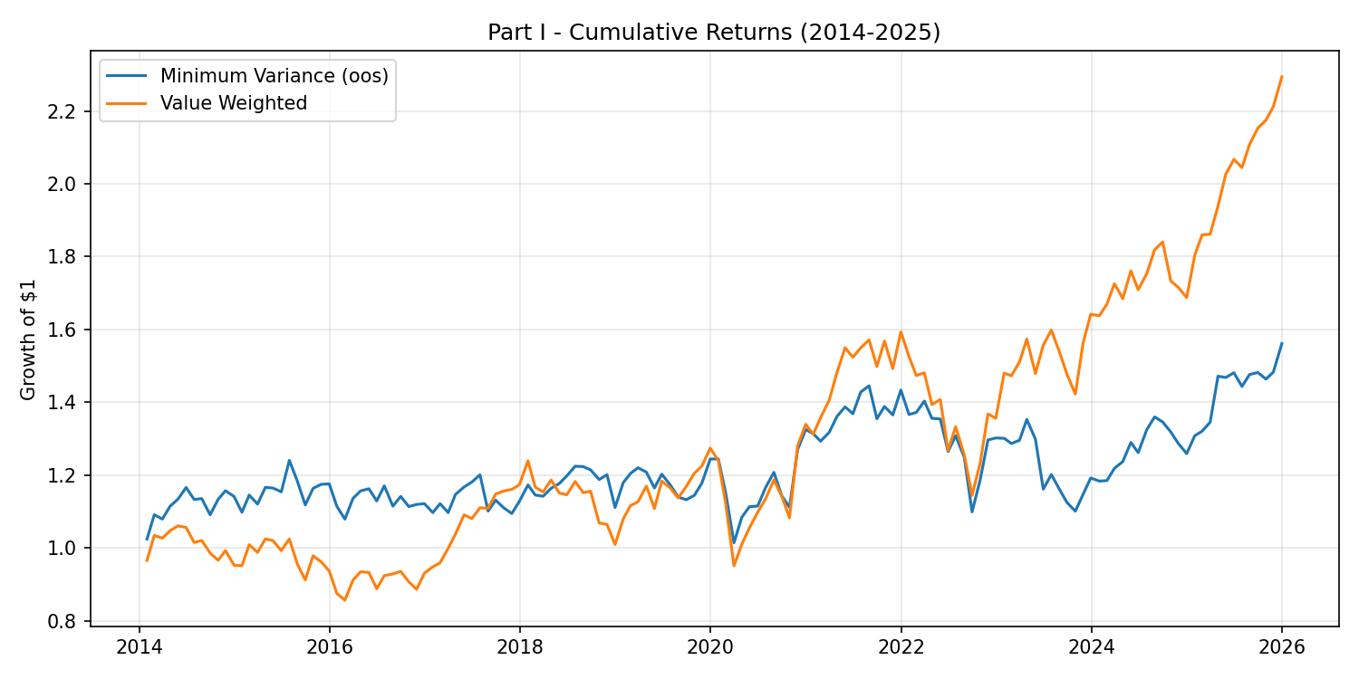
Plot of the cumulative return | (insert your plot here) | (insert your plot here) | Jul-14 | -0.039051237002 | -0.02828177526
 |  |  | Aug-14 | 0.0054398296786 | 0.0021090674875
 |  |  | Sep-14 | -0.033558741694 | -0.039017092612
 |  |  | Oct-14 | -0.020287483728 | 0.038852079888
 |  |  | Nov-14 | 0.027462999022 | 0.020788636146
 |  |  | Dec-14 | -0.040310839058 | -0.013732783255
 |  |  | Jan-15 | -0.0016772344529 | -0.03781243378
 |  |  | Feb-15 | 0.06096907823 | 0.042850294882
 |  |  | Mar-15 | -0.021102769854 | -0.021484538657
 |  |  | Apr-15 | 0.037468741849 | 0.04080877608
 |  |  | May-15 | -0.004580993934 | -0.0015623226084
 |  |  | Jun-15 | -0.026851981 | -0.0089011656418
 |  |  | Jul-15 | 0.032070899311 | 0.074825839474
 |  |  | Aug-15 | -0.067736747387 | -0.046622393951
 |  |  | Sep-15 | -0.044876068172 | -0.054463831315
 |  |  | Oct-15 | 0.07259924867 | 0.040615279656
 |  |  | Nov-15 | -0.016973889276 | 0.0095151639683
 |  |  | Dec-15 | -0.026205655683 | 0.00098827770006
 |  |  | Jan-16 | -0.065388271745 | -0.05225919961
 |  |  | Feb-16 | -0.02164196692 | -0.031616791154
 |  |  | Mar-16 | 0.064549919085 | 0.052790554756
 |  |  | Apr-16 | 0.024964709363 | 0.018008020609
 |  |  | May-16 | -0.0018497764916 | 0.0051890557849
 |  |  | Jun-16 | -0.048103152868 | -0.028898233269
 |  |  | Jul-16 | 0.040502058119 | 0.036679701332
 |  |  | Aug-16 | 0.0053423531489 | -0.047554450154
 |  |  | Sep-16 | 0.0073648460571 | 0.024024552516
 |  |  | Oct-16 | -0.030429543252 | -0.02435314754
 |  |  | Nov-16 | -0.022903905313 | 0.0051895640488
 |  |  | Dec-16 | 0.050160310591 | 0.0018866759221
 |  |  | Jan-17 | 0.018558503177 | -0.021900711837
 |  |  | Feb-17 | 0.011610859513 | 0.022375488698
 |  |  | Mar-17 | 0.041511687669 | -0.021907461486
 |  |  | Apr-17 | 0.039207306496 | 0.045577922254
 |  |  | May-17 | 0.05076880667 | 0.017725060669
 |  |  | Jun-17 | -0.0094304069881 | 0.011766434448
 |  |  | Jul-17 | 0.027456244661 | 0.016702638708
 |  |  | Aug-17 | -0.0014093444593 | -0.082954233396
 |  |  | Sep-17 | 0.035217858498 | 0.027089268616
 |  |  | Oct-17 | 0.0076261111311 | -0.018877435466
 |  |  | Nov-17 | 0.0036277663889 | -0.013681181078
 |  |  | Dec-17 | 0.010865430064 | 0.030568072845
 |  |  | Jan-18 | 0.055765101652 | 0.039931758624
 |  |  | Feb-18 | -0.058187166592 | -0.023627270068
 |  |  | Mar-18 | -0.011004662932 | -0.002919781527
 |  |  | Apr-18 | 0.02837882227 | 0.019286533201
 |  |  | May-18 | -0.030334329885 | 0.010967972023
 |  |  | Jun-18 | -0.0039678352063 | 0.01793242976
 |  |  | Jul-18 | 0.031768695087 | 0.022192700001
 |  |  | Aug-18 | -0.026169886027 | -0.00099553420154
 |  |  | Sep-18 | 0.0037353153074 | -0.0071434693246
 |  |  | Oct-18 | -0.075473190993 | -0.022029099199
 |  |  | Nov-18 | -0.0039295264811 | 0.011322987606
 |  |  | Dec-18 | -0.051464439186 | -0.074953053211
 |  |  | Jan-19 | 0.068894772677 | 0.060972210691
 |  |  | Feb-19 | 0.034305890415 | 0.021749272677
 |  |  | Mar-19 | 0.0094636416716 | 0.012952528859
 |  |  | Apr-19 | 0.038223660923 | -0.0098505057118
 |  |  | May-19 | -0.05263413651 | -0.035903745663
 |  |  | Jun-19 | 0.067828531983 | 0.032470657855
 |  |  | Jul-19 | -0.016138023166 | -0.024867639432
 |  |  | Aug-19 | -0.023323329025 | -0.027877294959
 |  |  | Sep-19 | 0.027753113908 | -0.0066372357764
 |  |  | Oct-19 | 0.030899711988 | 0.010600685189
 |  |  | Nov-19 | 0.016634336431 | 0.029559111483
 |  |  | Dec-19 | 0.04005840061 | 0.055964446932
 |  |  | Jan-20 | -0.026862527591 | 1.9907548623E-05
 |  |  | Feb-20 | -0.094626099287 | -0.074261158495
 |  |  | Mar-20 | -0.1529625825 | -0.11933609397
 |  |  | Apr-20 | 0.062469932974 | 0.068961639616
 |  |  | May-20 | 0.044417323034 | 0.026654140508
 |  |  | Jun-20 | 0.040706002014 | 0.0018336377068
 |  |  | Jul-20 | 0.034798842917 | 0.046394751501
 |  |  | Aug-20 | 0.044562924787 | 0.034726002847
 |  |  | Sep-20 | -0.037445342403 | -0.052971358166
 |  |  | Oct-20 | -0.052365388385 | -0.027932203202
 |  |  | Nov-20 | 0.18284072951 | 0.14240277083
 |  |  | Dec-20 | 0.045862838874 | 0.043429072019
 |  |  | Jan-21 | -0.02025281459 | -0.0086132859835
 |  |  | Feb-21 | 0.03448104286 | -0.015698579384
 |  |  | Mar-21 | 0.035314784766 | 0.018681032045
 |  |  | Apr-21 | 0.054139684474 | 0.033286622962
 |  |  | May-21 | 0.045873684032 | 0.019289039744
 |  |  | Jun-21 | -0.016736209887 | -0.013622118052
 |  |  | Jul-21 | 0.016943317758 | 0.043431475661
 |  |  | Aug-21 | 0.014139989541 | 0.012117533341
 |  |  | Sep-21 | -0.046553977669 | -0.062614241408
 |  |  | Oct-21 | 0.046707792494 | 0.024886415085
 |  |  | Nov-21 | -0.048265466984 | -0.016731575677
 |  |  | Dec-21 | 0.067433941752 | 0.050174579072
 |  |  | Jan-22 | -0.042250634364 | -0.046932870105
 |  |  | Feb-22 | -0.034408978991 | 0.0041046851391
 |  |  | Mar-22 | 0.0050674582399 | 0.022770523701
 |  |  | Apr-22 | -0.058810697012 | -0.033754077123
 |  |  | May-22 | 0.0098882033125 | -0.0012433818482
 |  |  | Jun-22 | -0.098950030426 | -0.065916627824
 |  |  | Jul-22 | 0.051161178013 | 0.034214264464
 |  |  | Aug-22 | -0.057715659524 | -0.04527091777
 |  |  | Sep-22 | -0.089143463751 | -0.12004352262
 |  |  | Oct-22 | 0.077308256826 | 0.080013738724
 |  |  | Nov-22 | 0.10978731585 | 0.092200143858
 |  |  | Dec-22 | -0.0086494376698 | 0.0043132894875
 |  |  | Jan-23 | 0.091390228143 | -0.00071932265344
 |  |  | Feb-23 | -0.0049311051346 | -0.01108375439
 |  |  | Mar-23 | 0.025985859956 | 0.0070917912937
 |  |  | Apr-23 | 0.041367431699 | 0.04411711775
 |  |  | May-23 | -0.060192022904 | -0.040209344084
 |  |  | Jun-23 | 0.052675753804 | -0.10552522322
 |  |  | Jul-23 | 0.026669220546 | 0.034590734331
 |  |  | Aug-23 | -0.037378220781 | -0.033801533102
 |  |  | Sep-23 | -0.040156763011 | -0.03113910384
 |  |  | Oct-23 | -0.036690620411 | -0.02125415325
 |  |  | Nov-23 | 0.098869955119 | 0.0424817194
 |  |  | Dec-23 | 0.050129982422 | 0.038606946281
 |  |  | Jan-24 | -0.0023908384858 | -0.0071295738114
 |  |  | Feb-24 | 0.019214169102 | 0.0012331231422
 |  |  | Mar-24 | 0.033877525087 | 0.028374518512
 |  |  | Apr-24 | -0.023850491871 | 0.015146970649
 |  |  | May-24 | 0.045291225809 | 0.042504610425
 |  |  | Jun-24 | -0.02945195532 | -0.02175478171
 |  |  | Jul-24 | 0.025833745756 | 0.050165997158
 |  |  | Aug-24 | 0.037478765203 | 0.026296392963
 |  |  | Sep-24 | 0.011734020288 | -0.010265087379
 |  |  | Oct-24 | -0.058205952296 | -0.020373638372
 |  |  | Nov-24 | -0.010298651279 | -0.024016355188
 |  |  | Dec-24 | -0.016135125387 | -0.021543056738
 |  |  | Jan-25 | 0.068840434629 | 0.039056279447
 |  |  | Feb-25 | 0.030936979163 | 0.0094401864515
 |  |  | Mar-25 | 0.00097236152441 | 0.018676818236
 |  |  | Apr-25 | 0.041265923124 | 0.093784340774
 |  |  | May-25 | 0.045495741349 | -0.0023250600759
 |  |  | Jun-25 | 0.019924135048 | 0.0088601182261
 |  |  | Jul-25 | -0.010819069596 | -0.025363845816
 |  |  | Aug-25 | 0.030906901934 | 0.022679800902
 |  |  | Sep-25 | 0.021393911071 | 0.0036714543646
 |  |  | Oct-25 | 0.01017157628 | -0.012149246492
 |  |  | Nov-25 | 0.016791904737 | 0.012879504613
 |  |  | Dec-25 | 0.037159413042 | 0.053032071776

